1. Title Page
Project Name: Instacart Grocery Basket Analysis
Date: 7/29/2022
Analyst Name: Julie Balboni

Contents:
Population Flow
Consistency checks
Wrangling steps
Column derivations
Key Questions and Findings 1 & 2
Results and Recommendations

Project Objective: Use Python to perform an initial data and exploratory analysis of an Instacart data set
in order to derive insights and suggest strategies for better market segmentation based on key questions.

Context: Instacart stakeholders are considering a targeted marketing strategy. This analysis will inform the
strategy to ensure Instacart targets the right customer profiles with the appropriate products.

Data Sources:
“The Instacart Online Grocery Shopping Dataset 2017”, accessed from https://www.instacart.com/datasets/
grocery-shopping-2017 on 07/10/2022

"Customers" fictional data set provided by CareerFoundry for project

2. Population Flow
Population flow

Low Activity Exclusion Flag
Condition: max_order < 5
Observations to be removed:
1,440,295
Final total count of order_products_all: 30,964,564

Orders_products_combined
Orders_products_merged
Orders_products_all

Total: 32,434,489
Total: 32,404,859
Total: 32,404,859

3. Consistency Checks
Consistency Checks

Dataset | Column | Missing Values | Missing values treatment | Duplicates
orders | days_since_prior_order | 206,209 NaN values | None - indicates first order | None
products | product_name | 16 Nan values | Rows containing null values deleted | 5 exact duplicate rows deleted
orders_products_prior |  | None |  | None
customers | first_name | 11,259 NaN values | Column eliminated from analysis for privacy protection | None

4. Wrangling Steps
Wrangling Steps

Columns dropped | Columns renamed | Columns' type changed | Comment/Reason
eval_set |  |  | Not needed for analysis
 | order_dow to order_day_of_week
 |  | order_number | Reduced to int8 for memory savings
 |  | order_day_of_week | Reduced to int8 for memory savings
 |  | order_hour_of_day | Reduced to int8 for memory savings
 |  | user_id | Reduced to int32 for memory savings
 |  | order_id | Reduced to int16 for memory savings
 |  | days_since_prior_order | Reduced to float16 for memory savings
_merge |  |  | Not needed for analysis
aisle_id |  |  | Not needed for analysis
 |  | department_id | Reduced to int8 for memory savings
 |  | product_id | Reduced to int32 to for memory savings
 |  | prices | Reduced to float32 for memory savings
 | First Name to first_name |  | For consistency in column nomenclature
 | Surnam to last_name |  | For consistency in column nomenclature
 | STATE to state |  | For consistency in column nomenclature
 | Gender to gender |  | For consistency in column nomenclature
 | Age to age
first_name |  |  | Personally identifiable information
last_name |  |  | Personally identifiable information

5. Column Derivations
Column Derivations and Aggregations

Dataset | New column | Column/s it was derived from | Conditions
ords_prods_merge | max_order | order_number, user_id | Max taken from order_number for each customer id
ords_prods_merge | loyalty_flag | max_order | Created 3 groups for customer loyalty based max_order number
ords_prods_merge | mean_price | user_id, prices | Mean price per customer
ords_prods_merge | spending_flag | mean_price | Created two groups based on mean_price
ords_prods_merge | median_days_prior | user_id, days_since_last_order | Median days since last order per customer
ords_prods_merge | frequency_flag | median_days_prior | Created 3 groups based on the frequency of orders
ords_prods_merge | price_range_loc | prices | Created 3 groups based on the price of products
ords_prods_merge | busiest_days | orders_day_of_week | Created 3 classifications of business based on aggregation of order day of the week data
ords_prods_merge | busiest_period_of_day | order_hour_of_day | Created 3 classifications of business based on aggregation of order hour of day data
final_exclude | exclude | max_order | Flag for customers with < 5 orders
final_region | region | state | Grouped states into 4 regions
final_profile | age_groups | age | Created 3 different age groups.
final_profile | pet | goods | Flag for purchase from Pets department
final_profile | baby | goods | Flag for purchase from Babies department
final_profile | income_group | income | Created 3 different income groups.
final_profile | goods | department_id | Defined each department code
final_profile | household | fam_ status and no_of_dependents | Combined family/marital status and dependents
final_profile | profile | age_group, income_group, household | Profile of customers based on age, household, and income group

6. Key Questions and Findings 1
Key Questions and Findings Part 1

1. The sales team needs to know what the busiest days of the week and hours of the day are in order to schedule
ads at times when there are fewer orders.

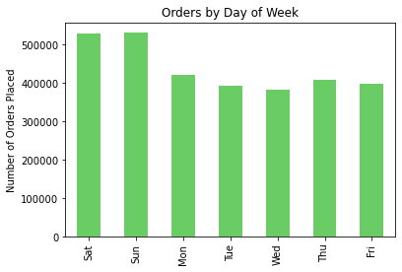
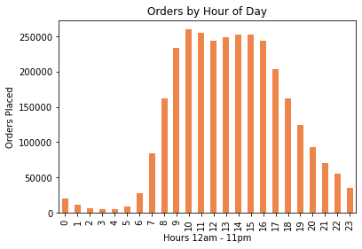

Saturdays and Sundays are the busiest days of the week. Most orders are placed between 9am and 5pm.
To schedule ads when there are the fewest orders, Sales should focus on Tuesdays and Wednesdays as well
as the early morning hours from 12am to 6am.

2. Sales also wants to know whether there particular times of the day when people spend the most money as this might inform the type of products they advertise at these times.

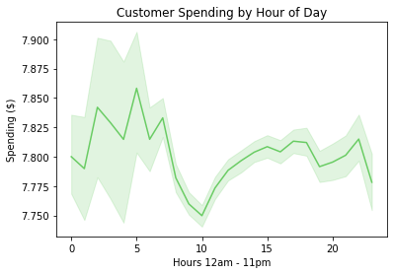

Customers spend the most money between 2am and 5am and the least money at 10am.

3. Instacart has a lot of products with different price tags. Marketing and sales want to use simpler price range
groupings to help direct their efforts.

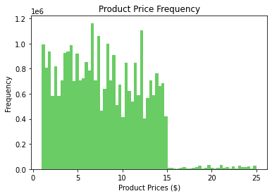
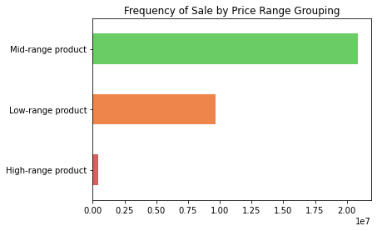

Low-range Products (< $5 )
31%
High-range Products (> $15)
1%
Mid-range Products ($6 -15)
68%

The majority of products sold fall into the Mid-range category. 99% of products sold cost $15 or less.

4. Are there certain types of products that are more popular than others? The marketing and sales teams
want to know which departments have the highest frequency of product orders.

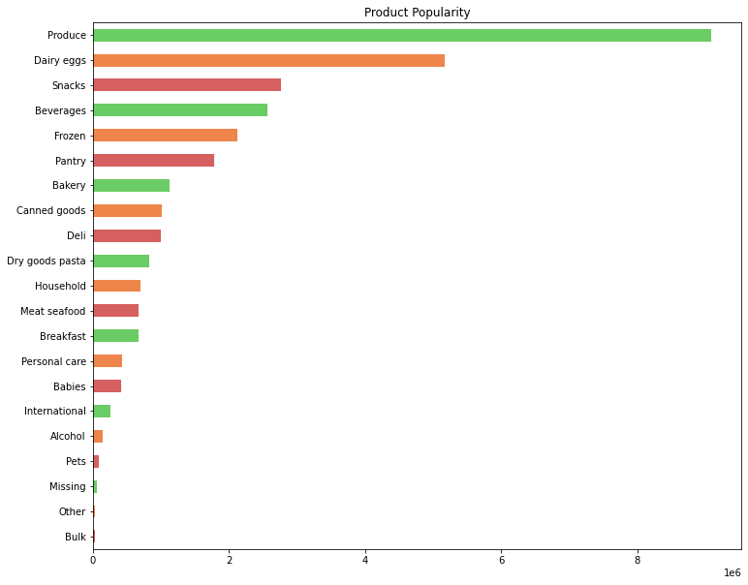

Produce dominates product sales. Other leading departments include Dairy eggs, Snacks, Beverages,
and Frozen goods.

6. Key Questions and Findings 2
Key Questions and Findings Part 2
5. The marketing and sales teams are particularly interested in the different types of customers in their system and
how their ordering behaviors differ.
5ab. What’s the distribution among users in regard to their brand loyalty (i.e., how often do they return to Instacart)?
Are there differences in ordering habits based on a customer’s loyalty status?
5c. Are there differences in ordering habits based on a customer’s region?
5d. Is there a connection between age and family status in terms of ordering habits?

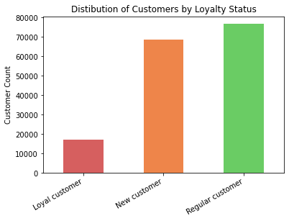
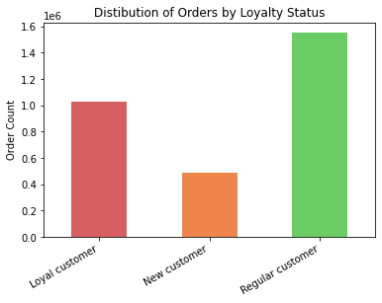

Loyal customers, defined as those who have placed more than 40 orders, account for 10% of the customer base but place 33% of the orders.

Regular customers, those with 11 - 40 orders, make up 47 % of the customer base and 51% of the orders.

New customers, defined as those with 10 or fewer orders, comprise 42% of the customer base and 16% of the orders.

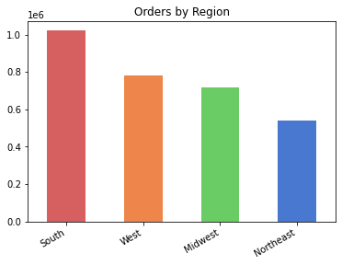
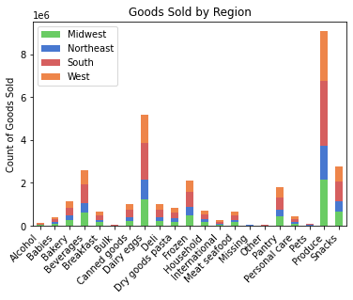

Ordering habits are similar across all regions and consistent with customer population size. The South has the largest number of customers and the most orders.

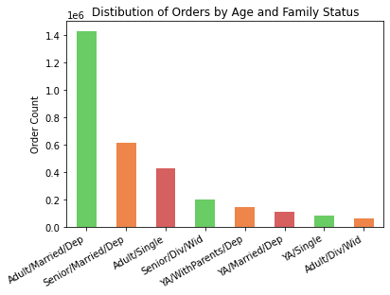

Age Groups
Young Adult (YA) = <25
Adult = 25 - 64
Senior = > 65

Family/Marital Status Groups
Single
Married
Divorced/Widowed (Div/Wid)
Living with Parents and Siblings (WithParents)

Married adults with dependents place the most orders followed by senior, married adults
with dependents. Divorced/widowed adults place the fewest orders.

6. What different classifications does the demographic information suggest? Age? Income? Certain types of goods? Family status?

Age Groups
Young Adult (YA) = <25
Adult = 25 - 64
Senior = > 65
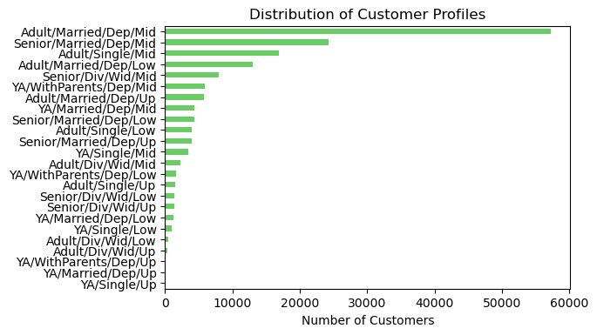

Family/Marital Status Groups
Single
Married
Divorced/Widowed (Div/Wid)
Living with Parents and Siblings (WithParents)

Dependents
Dependents (Dep) = 1 or more dependents

Income Groups
Low Income (Low) <= $52,200
Middle Income (Mid) $52,201 - $156,600
Upper Income (Up) > $156,600

Dividing customer profiles by age group, family/marital status, dependents, and income group reveals that the majority of customers are middle-income, married adults with dependents.

7. What differences can you find in ordering habits of different customer profiles? Consider the
price of orders, the frequency of orders, the products customers are ordering, and anything else you can think of.

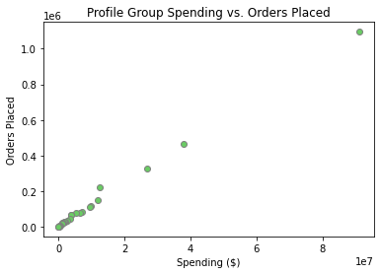
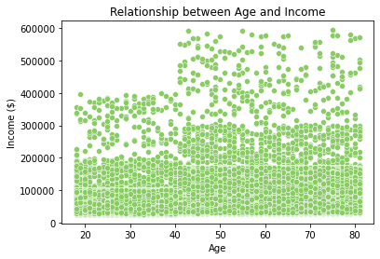

There is a direct correlation between customer spending and the number of orders placed.
Customer income increases with age, increasing purchasing power by age. Instacart customers show a significant jump in income at age 40.

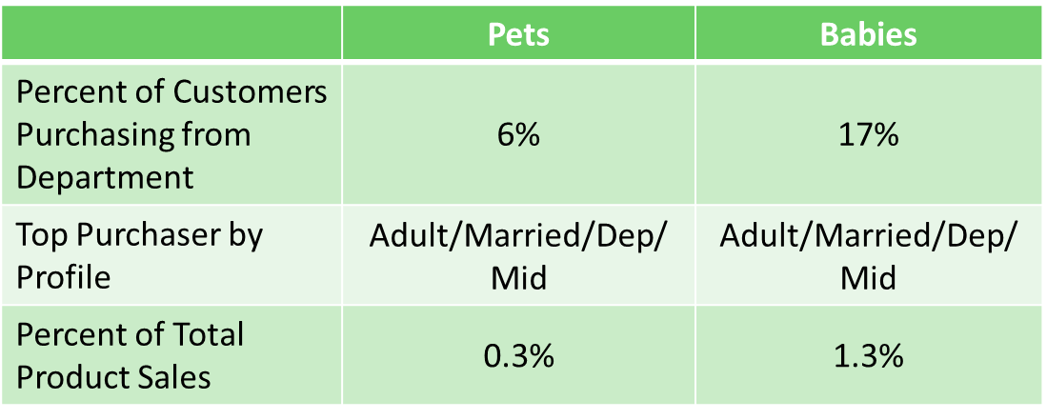

Products from the Pets and Babies departments are purchased by a small percentage of customers and comprise less than 2% of total product sales. These products are predominately purchased by middle income adults who are married with dependents.

7. Results and Recommendations
Results and Recommendations

The busiest days of the week are Saturdays and Sundays, and the busiest hours of the day are between 9am and 5pm. To schedule ads when there are the fewest orders, focus on weekdays, especially Tuesdays and Wednesdays, as well as evening and early morning hours.
Ordering habits are similar across all regions and consistent with customer population size. The South has the largest number of customers and the most orders.

Customers spend the most money between 2am and 5am and the least money at 10am.
Married adults with dependents place the most orders followed by senior, married adults with dependents. Divorced/widowed adults place the fewest orders.

Segment products into three price range groupings: low-range-products, mid-range products, and high-range products.
Divide customers into profile groups by age, family/marital status, dependents, and income. The majority of customers are middle-income, married adults with dependents.

Produce has the highest frequency of product orders, followed by Dairy/Eggs, Snacks, Beverages, Frozen, and Pantry. Among the least popular departments are Pets, Alcohol, and Bulk items.
There is a direct correlation between customer spending and the number of orders placed.

Customer income, and therefore spending power, increases with age.
Categorize customer loyalty based on the number of orders placed by the customer. Loyal customers, those who have placed more than 40 orders, account for 10% of the customer base but place 33% of the orders.

Purchases from the Pets and Babies departments together comprise less than 2% of sales.

